Main
 |  |  |  | Results with SMOTE
Main dataset |  |  |  | WQI + Z-score + SMOTE |  |  |  | WQI + IQR + SMOTE
Model | Training | Testing | CV | Models | Training | Testing | CV | Models | Training | Testing | CV
Logistic | 57.37 | 56.74 | 56.53 | Logistic | 96.63 | 96.85 | 95.99 | Logistic | 94.38 | 93.96 | 93.68
Random Forest | 100 | 92 | 89.11 | Random Forest | 100 | 95.35 | 90.03 | Random Forest | 100 | 94.8 | 90.51
SVM | 99.06 | 98.41 | 98.02 | SVM | 98.7 | 98.24 | 98.23 | SVM | 96.37 | 95.77 | 95.78
Decision Tree | 100 | 86.69 | 87.93 | Decision Tree | 100 | 90.76 | 90.03 | Decision Tree | 100 | 91.3 | 90.5
XG Boost | 100 | 92.37 | 89.39 | XG Boost | 100 | 96.19 | 91.18 | XG Boost | 100 | 96.67 | 91.12
KNN | 92.25 | 88.65 | 88.37 | KNN | 92.43 | 87.92 | 86.09 | KNN | 93.9 | 90.45 | 88.78
Gradient Boost | 99.37 | 91.9 | 92.32 | Gradient Boost | 98.97 | 94.62 | 94.2 | Gradient Boost | 98.88 | 94.5 | 94.33
MLP | 39.37 | 40.37 | 45.27 | MLP | 99.54 | 99.15 | 94.94 | MLP | 97.1 | 97.04 | 95.99

 |  |  |  | Results without SMOTE
 |  |  |  | WQI + Z-score |  |  |  | WQI+ IQR
 |  |  |  | Model | Training | Testing | CV | Model | Training | Testing | CV
 |  |  |  | Logistic | 96.74 | 96.37 | 95.44 | Logistic | 93.06 | 93.95 | 91.97
 |  |  |  | Random Forest | 100 | 91.53 | 89.11 | Random Forest | 100 | 91.06 | 88.18
 |  |  |  | SVM | 98.25 | 97.48 | 97.58 | SVM | 95.95 | 96.09 | 95.27
 |  |  |  | Decision Tree | 100 | 85.76 | 87.34 | Decision Tree | 100 | 85.58 | 87.3
 |  |  |  | XG Boost | 100 | 92.37 | 89.39 | XG Boost | 100 | 92.93 | 88.46
 |  |  |  | KNN | 89.3 | 83.9 | 83.04 | KNN | 91.13 | 84.93 | 85.55
 |  |  |  | Gradient Boost | 99.37 | 91.9 | 92.27 | Gradient Boost | 99.34 | 91.9 | 92.23
 |  |  |  | MLP | 30.93 | 30.32 | 94.09 | MLP | 30.93 | 30.32 | 79.51
WQI + Z-score + SMOTE/Training, WQI + Z-score + SMOTE/Testing and WQI + Z-score + SMOTE/CV

Sheet10
Dummy

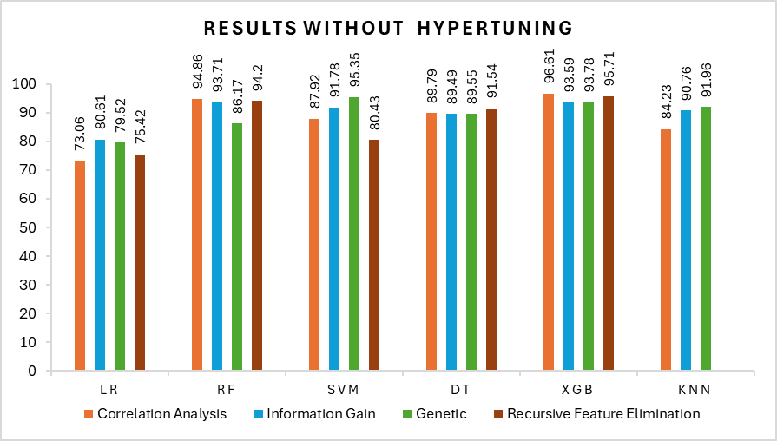
 | Models | Correlation Analysis | Information Gain | Genetic | Recursive Feature Elimination
 | LR | 73.06 | 80.61 | 79.52 | 75.42
 | RF | 94.86 | 93.71 | 86.17 | 94.2
 | SVM | 87.92 | 91.78 | 95.35 | 80.43
 | DT | 89.79 | 89.49 | 89.55 | 91.54
 | XGB | 96.61 | 93.59 | 93.78 | 95.71
 | KNN | 84.23 | 90.76 | 91.96

